25 Scene Act Structures
 |  |  |  |  |  |  | Act 1 | Major Sequence 1 Inciting Sequence | Minor Sequence 1.1 Introduce The Hero | Scene 1
 |  |  |  |  |  |  |  |  |  | Scene 2
 |  |  |  |  |  | 12% |  |  |  | Scene 3
 |  |  |  |  |  |  |  |  | Minor Sequence 1.2 The Hero Gets A Problem, Opportunity, Mission, Obligation, or Mystery | Scene 4
 |  |  |  |  |  |  |  |  |  | Scene 5
 |  |  |  |  |  | 24% |  |  |  | Scene 6
 |  |  |  |  |  |  | Act 2A | Major Sequence 2 | Minor Sequence 2.1 | Scene 7
 |  |  |  |  |  |  |  |  |  | Scene 8
 |  |  |  |  |  | 36% |  |  |  | Scene 9
 |  |  |  |  |  |  |  |  | Minor Sequence 2.2 | Scene 10
 |  |  |  |  |  |  |  |  |  | Scene 11
 |  |  |  |  |  | 48% Midpoint |  |  |  | Scene 12
 |  |  |  |  |  |  | Act 2B | Major Sequence 3 | Minor Sequence 3.1 | Scene 13
 |  |  |  |  |  |  |  |  |  | Scene 14
 |  |  |  |  |  | 60% |  |  |  | Scene 15
 |  |  |  |  |  |  |  |  | Minor Sequence 3.2 | Scene 16
 |  |  |  |  |  |  |  |  |  | Scene 17
 |  |  |  |  |  | 72% |  |  |  | Scene 18
 |  |  |  |  |  |  | Act 3 | Major Sequence 4 Climax | Minor Sequence 4.1 | Scene 19
 |  |  |  |  |  |  |  |  |  | Scene 20
 |  |  |  |  |  | 84% |  |  |  | Scene 21
 |  |  |  |  |  | 90% |  |  | Minor Sequence 4.2 Hero Neutralizes Antagonist | Scene 22
 |  |  |  |  |  |  |  |  |  | Scene 23
 |  |  |  |  |  | 96% |  |  |  | Scene 24
 |  |  |  |  |  | 98% |  | Major Sequence 5 Denouement | Minor Sequence 5.1 Hero's Denouement | Scene 25

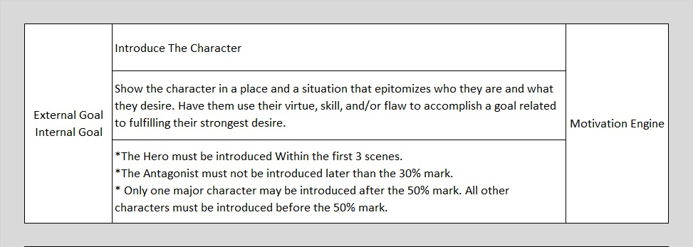
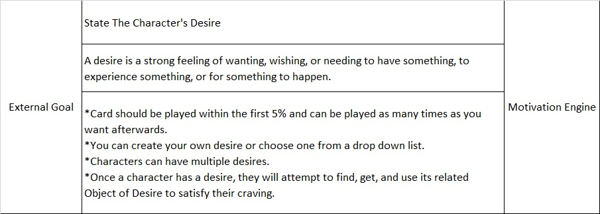
Percent Markers | Acts | Major Sequences | Minor Sequences |  |  |  | Act | Major Sequence | Minor Sequence | Scene
 |  |  |  |  | 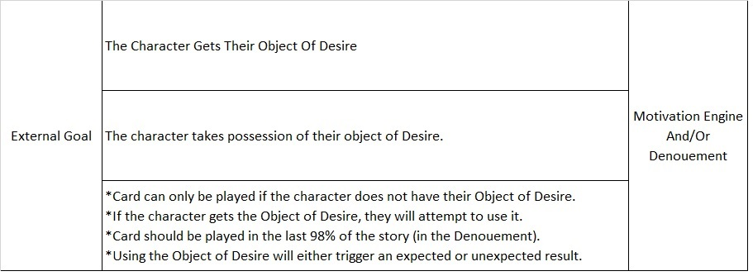
 | Act 1 | MS 1-1 |  | Scene 1

6% |  |  |  | Scene 2

 |  |  |  | Scene 3

12% |  | MS 1-2 |  | Scene 4

 |  |  |  | Scene 5

25% |  |  |  | Scene 6

 | Act 2A | MS 2A-1 |  | Scene 7

 |  |  |  | Scene 8

37% |  |  |  | Scene 9

 |  | MS 2A-2 |  | Scene 10

 |  |  |  | Scene 11

 |  |  |  | Scene 12

 | Act 2B | MS 2B-1 |  | Scene 1 3

 |  |  |  | Scene 14

 |  |  |  | Scene 15

 |  | MS 2B-2 |  | Scene 16

 |  |  |  | Scene 17

75% |  |  |  | Scene 18

 | Act 3 | MS 3-1 |  | Scene 19

 |  |  |  | Scene 20

 |  |  |  | Scene 21

 |  | MS 3-2 |  | Scene 22

 |  |  |  | Scene 23

 |  |  |  | Scene 24

98-99% |  |  |  | Scene 25

Blanke Extra Playable Scene Cards | Extra Blank Card - Can be played in any Act |  |  | Scene 26

 | Act 1 Extra Blank Card
 |  |  |  | Scene 27

 | Act 2A Extra Blank Card |  |  | Scene 28

 | Act 2B Extra Blank Card
 |  |  |  | Scene 29

 | Act 3 Extra Blank Card |  |  | Scene 30

